DATAVISUALISATION
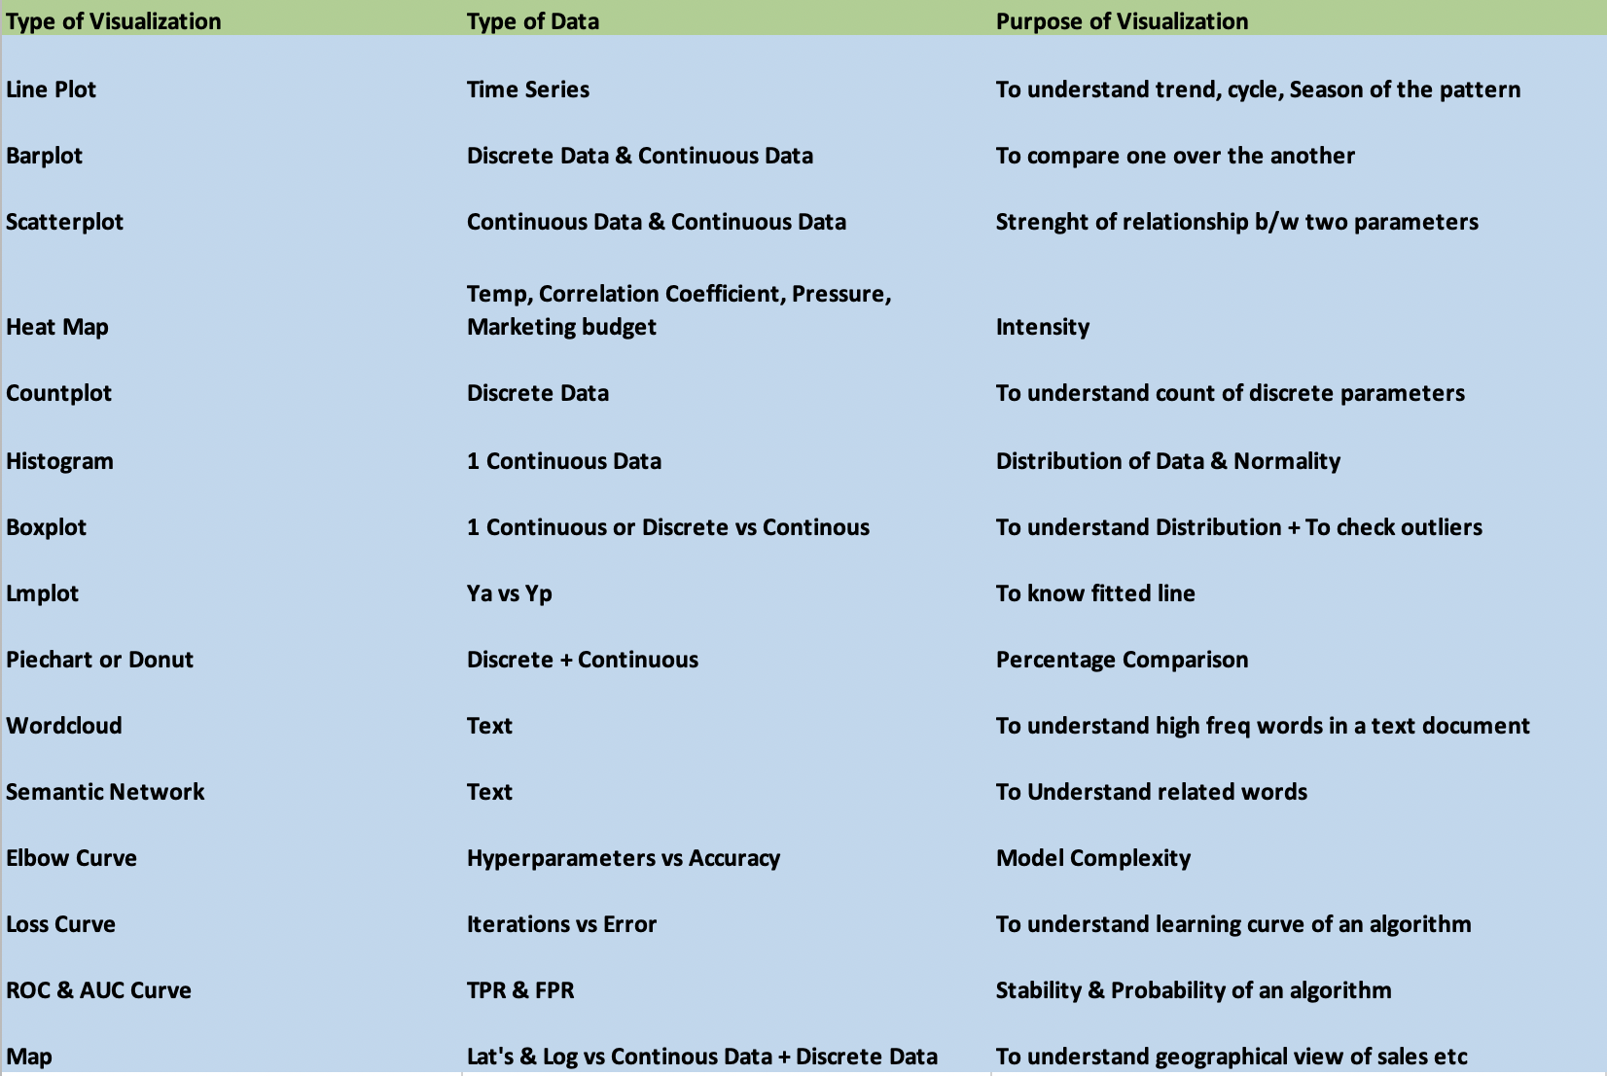
BASIS OF CHOICE OF CHARTS
Univariate | To understand quality of one feature | Countplot, boxplot, histogram,pie chart
Bivariate | To understand quality/relationship between two features | Barchart, scatterplot
Multivariate | To understand quality/relationship between morethan two features | Pairplot , Heatmap
 |  | Lineplot majorly used in timeseries analysis

Discrete | Continuous
Not measurable in units only count | Measurable in units ,can be in fractions
Cannot be segmented | Can be segmented

BASIS OF CHOICE OF CHARTS
Variate | Type of chart | X axis | Yaxis
Univariate | Histogram | Continuos
 | Pie | Discrete data along with counts
 | Countplot | Discrete data (Categorical feature)
Bivariate | Bar | Discrete | Continous
 | Scatterplot | Continuos | Continuos
 | Boxplot (Five value chart) | Continuous

